INSTRUCTIONS
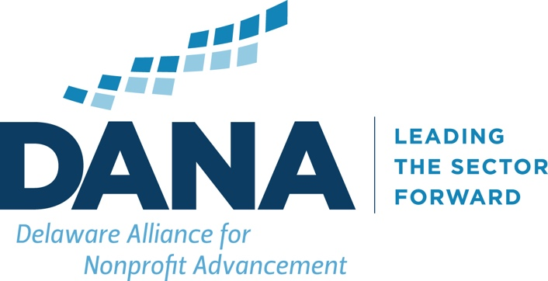

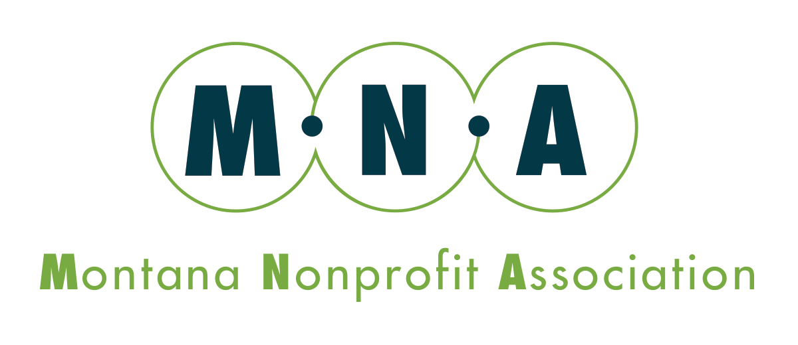
 |  | Scenario Modeling
 | in partnership with

This workbook is designed to aid in the assessment of program funding, revenue variability, revenue probabilities, and expense variability. It is designed to highlight areas of risk and opportunity and provide a basis for decisions regarding program expansion, contraction, and overall sustainability.

This workbook can be used both for assessing the total revenue and expense for the organization and for revenues and expenses of individual lines of service/programs.

INSTRUCTIONS
1 | Fill in cells that are highlighted in yellow on tab 1-Detailed Scenario REVENUE
2 | Fill in cell that are highlighted in yellow on tab 2-Detailed Scenario EXPENSE
3 | On both tabs 1 and 2, please feel free to change the label/title for revenue and expense line items to fit your specific context.
4 | Tab 3-Detailed Scenario SUMMARY shows the net income for each revenue scenario minus each expense scenario. Please use the assumptions (at left) and drivers, actions, and timing to provide the narrative for each scenario and steps to take to impact each scenario.

Please Note: Information contained in or derived from this workbook is not to be relied upon as or considered a substitute for professional advice. This spreadsheet has been created and made available by Delaware Alliance for Nonprofit Advancement (DANA) in partnership with Montana Nonprofit Association (MNA) for general informational purposes only and does address individual circumstances, situations, or needs. DANA or MNA do not guarantee that the information provided in this workbook is accurate, current, or complete. Seeking professional guidance before making any decisions related to your own individual circumstances or situations is strongly recommended. DANA or MNA shall not be liable for any direct or indirect loss or damage to any person or organization from the use of the information provided in or derived from this spreadsheet. Through your viewing and use of this spreadsheet, you acknowledge that any use of the information provided through this document is done at your own risk.

3-Detailed Scenario SUMMARY
 |  |  | Budget
 |  |  | Revenue | $0
 |  |  | Expense | $0
 |  |  | Net Income | $0 |  | Revenue Scenario Assumptions
 |  |  |  |  |  | Best Case
 |  |  | Revenue
 |  |  | Best Case | Moderate Case | Worst Case
 |  |  | $0 | $0 | $0 | Moderate Case
NET INCOME
Expense | #1 | $0 | $0 | $0 | $0
 | #2 | $0 | $0 | $0 | $0 | Worst Case
 | #3 | $0 | $0 | $0 | $0

 |  |  |  |  |  | Expense Scenario Assumptions
Drivers, Actions, and Timing |  |  |  |  |  | #1
Revenue Best Case | #1

 | #2 |  |  |  |  | #2

 | $3 |  |  |  |  | #3

Drivers, Actions, and Timing
Revenue Moderate Case | #1

 | #2

 | $3

Drivers, Actions, and Timing
Revenue Worst Case | #1

 | #2

 | $3

