cover letter
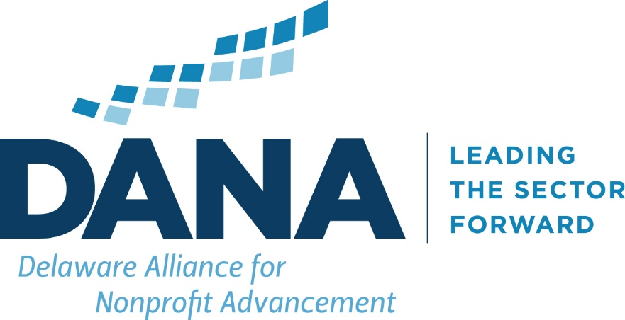

 | Resource Engine and and Talent Evaluator

© Delaware Alliance for Nonprofit Advancement 2017
All rights reserved, user understands this cannot be duplicated without express permission of
the Delaware Alliance for Nonprofit Advancement

Spider Chart Analysis
 | Private Donations | $422,800
 | Charitable Grants | $150,000
 | Business Revenue | $145,000
 | Government Funding | $350,000

The "Spider Chart" displays in a visual manner the contribution of each category of revenue by dolar amounts and distance from the origin. Each concentric square (web) is an incremental increase in dollar contribution to the total revenue.

